Sheet1
Ruukki site [Agricultural Pilot] |  |  | pF-curve
 | pF |  | 0 | 1.0085150076 | 1.3095450033 | 1.707485012 | 2.0085150076 | 2.3095450033 | 2.707485012 | 3.0499076928 | 3.3872761829 | 3.7032956436
 |  |  | kPa
 |  |  | 0 | 1 | 2 | 5 | 10 | 20 | 50 | 110 | 239.2 | 495.2
 |  |  | Tension (cm)
Sample Label | Depth (cm) | Block | 1 | 12 | 22 | 51 | 101 | 203 | 470 | 995 | 1700 | 5000 | Dry Bulk density (g/cm3) | Wet Bulk density (g/cm3) | Porosity % | LOI %
R1.1 [Peat] | 0-25 | 1 | 0.75979372519 | 0.72925515614 | 0.71413269166 | 0.67830860104 | 0.59271251567 | 0.53501223857 | 0.49140668564 | 0.45117799372 | 0.37254117841 | 0.33588021355 | 0.4754033009 | 1.2351970261 | 82.127695455 | 46.302465023
R1.2 [Peat] | 25-35 | 1 | 0.84954573808 | 0.83472381382 | 0.81579284125 | 0.77514261332 | 0.71497440593 | 0.65700747441 | 0.59610550839 | 0.51891410085 | 0.47964333915 | 0.45914212312 | 0.21073547761 | 1.0602812157 | 92.077613624 | 94.530321046
R1.3 [Peat] | 35-70 | 1 | 0.92182938676 | 0.89675161499 | 0.85942998996 | 0.84276064755 | 0.79924333772 | 0.75941393551 | 0.69716205502 | 0.59640841905 | 0.53082267008 | 0.51272241951 | 0.15135172841 | 1.0731811152 | 94.310085398 | 91.134289439
R1.4 [Mineral soil] | 75 | 1 | 0.39744318986 | 0.38564393759 | 0.3776769211 | 0.37344129207 | 0.36739039347 | 0.34419528216 | 0.27208874048 | 0.22126119223 | 0.17924778626 | 0.16657115369 | 1.6390875831 | 2.0365307729 | 38.38016605 | 0.93939952109
R2.1 [Peat] | 0-35 | 2 | 0.72940812914 | 0.70233852532 | 0.69777788554 | 0.66276394147 | 0.59641398861 | 0.54198054614 | 0.49004809967 | 0.46253714361 | 0.42463969826 | 0.40246910426 | 0.48960674744 | 1.2190148766 | 81.593731299 | 40.652446675
R2.2 [Peat] | 35-45 | 2 | 0.84345750114 | 0.79241420863 | 0.7368369847 | 0.68769501827 | 0.6239274666 | 0.57288417409 | 0.53485765245 | 0.4608521911 | 0.40226209661 | 0.38256143328 | 0.21514235897 | 1.0585998601 | 91.911941392 | 90.104772992
R2.3 [Peat] | 45-60 | 2 | 0.86216776004 | 0.84673779331 | 0.80794244839 | 0.77987460415 | 0.73784631382 | 0.69714059206 | 0.65614096618 | 0.5541562337 | 0.49058477077 | 0.46270796421 | 0.20837802689 | 1.0705457869 | 92.166239591 | 76.21483376
R2.4 [Mineral soil] | 75 | 2 | 0.38749202989 | 0.38416461979 | 0.38013139544 | 0.37761063022 | 0.36258686949 | 0.30854166314 | 0.20861852975 | 0.072194715951 | 0.050354806069 | 0.043326912631 | 1.6280110108 | 2.0155030407 | 38.796578541 | 0.79911821438
R3.1 [Peat] | 0-30 | 3 | 0.71928216783 | 0.70521307897 | 0.69363539127 | 0.67487660612 | 0.61933301574 | 0.57683264315 | 0.52934946826 | 0.46384027326 | 0.42066575683 | 0.40634752786 | 0.52202181781 | 1.2413039856 | 80.375119631 | 42.873563218
R3.2 [Peat] | 30-45 | 3 | 0.85475780982 | 0.84255538495 | 0.84049714461 | 0.81182879701 | 0.75199280998 | 0.69921364698 | 0.64481729513 | 0.55822418368 | 0.49888805501 | 0.46629434906 | 0.20523596534 | 1.0599937752 | 92.284362205 | 86.161879896
R3.3 [Mineral soil] | 55 | 3 | 0.35686285429 | 0.34394108758 | 0.33828781464 | 0.33162502867 | 0.21442056648 | 0.1746457533 | 0.15950305793 | 0.1177092187 | 0.097862192631 | 0.085475467816 | 1.640660568 | 1.9975234223 | 38.321031277 | 0.57570523892
R4.1 [Peat] | 0-25 | 4 | 0.68464532986 | 0.66583962123 | 0.64953154578 | 0.63660262109 | 0.59781584704 | 0.56240822376 | 0.52802903766 | 0.47234650976 | 0.42465640803 | 0.40662937327 | 0.62029454564 | 1.3049398755 | 76.680656179 | 39.435248296
R4.2 [Peat] | 25-35 | 4 | 0.78411202655 | 0.7766748472 | 0.74780109209 | 0.70740700034 | 0.64893035487 | 0.59949498627 | 0.5596842027 | 0.48924973946 | 0.44643491874 | 0.41468837082 | 0.22384451567 | 1.0079565422 | 91.584792644 | 91.544117647
R4.3 [Peat] | 35-50 | 4 | 0.86441431663 | 0.84870836794 | 0.8407820013 | 0.8228742841 | 0.80144373728 | 0.77047219358 | 0.73773923508 | 0.67697042423 | 0.61581997351 | 0.57828715966 | 0.22604823359 | 1.0904625502 | 91.501946106 | 78.614823815
R4.4 [Mineral soil] | 60 | 4 | 0.3739252813 | 0.36788285822 | 0.36163902105 | 0.35448882041 | 0.29678368004 | 0.16103057495 | 0.087514427538 | 0.054986049984 | 0.038913204604 | 0.032397458388 | 1.6253111002 | 1.9992363815 | 38.898078942 | 0.6845841785
R5.1 [Peat] | 0-20 | 5 | 0.7033948047 | 0.69191441241 | 0.66497964587 | 0.62214895155 | 0.57784641206 | 0.54252212808 | 0.50940561186 | 0.45686073944 | 0.41717979377 | 0.39529345616 | 0.61111011281 | 1.3145049175 | 77.025935609 | 36.753528773
R5.2 [Peat] | 20-30 | 5 | 0.83064634267 | 0.81314984257 | 0.79784040497 | 0.76926278813 | 0.69534007517 | 0.63745582064 | 0.58015478278 | 0.5139596907 | 0.48748165387 | 0.47352819503 | 0.21433212634 | 1.044978469 | 91.942401266 | 86.401098901
R6.1 [Peat] | 10 | 6 | 0.66851207427 | 0.65305770003 | 0.64422662904 | 0.63627866514 | 0.5915345721 | 0.54679047907 | 0.51396833187 | 0.45803821557 | 0.41011493698 | 0.39293850389 | 0.65673731294 | 1.3252493872 | 75.310627333 | 32.558139535
R6.2 [Peat] | 20 | 6 | 0.62124179849 | 0.61263168195 | 0.60694024899 | 0.59920573752 | 0.56768395493 | 0.52726018745 | 0.49019290607 | 0.42787901179 | 0.36810437222 | 0.34976044596 | 0.78293686843 | 1.4041786669 | 70.566283142 | 29.261976694
R6.3 [Peat] | 20 | 6 | 0.67765888997 | 0.66366376072 | 0.65850766047 | 0.64348131117 | 0.60694665797 | 0.56923346757 | 0.54492613783 | 0.50618172738 | 0.47913429864 | 0.46297360728 | 0.64686960562 | 1.3245284956 | 75.681593774 | 37.959183673
R6.4 [Mineral soil] | 40 | 6 | 0.36356495222 | 0.35901786416 | 0.3547739153 | 0.35143938406 | 0.2748462118 | 0.18289398653 | 0.12651009455 | 0.096095127728 | 0.07673463722 | 0.066458218198 | 1.652917034 | 2.0164819863 | 37.860261878 | 0.40940106141

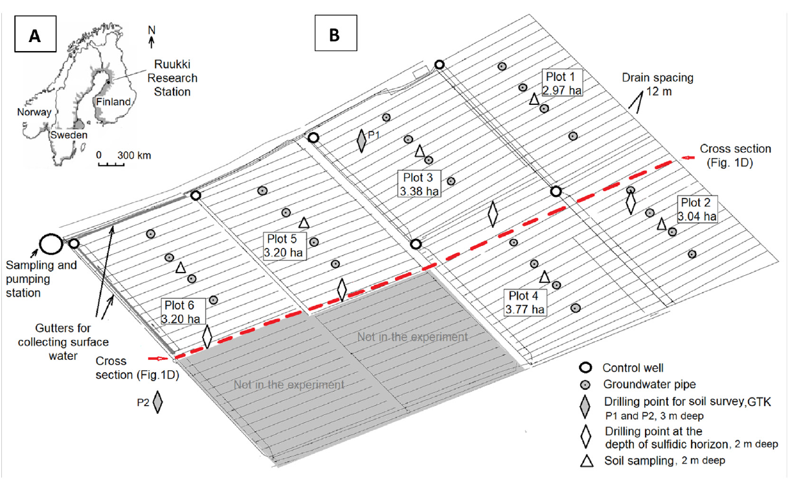
Hydraulic conductivity
Sample label | Depth | Block | k (m/s)
R1.1 | 15 | 1 | 5.3263780465E-08
R1.2 | 60 | 1 | 7.2055414044E-08
R2.1 | 10 | 2 | 2.0299128823E-07
R2.2 | 50 | 2 | 1.0214908501E-07
R3.1 | 15 | 3 | 4.4898793488E-07
R3.2 | 35 | 3 | 3.8067808917E-07
R4.1 | 10 | 4 | 8.9681783226E-07
R4.2 | 40 | 4 | 3.2442521196E-08
R5.1 | 5 | 5 | 6.2603229575E-07
R5.2 [Mineral soil] | 40 | 5 | 8.9273460489E-08
R6.1 | 15 | 6 | 6.6464147011E-08

 |  |  |  |  | Source / Reference:
 |  |  |  |  | Yli-Halla, Markku, Timo Lötjönen, Jarkko Kekkonen, Seija Virtanen, Hannu Marttila, Maarit Liimatainen, Markus Saari, Jarmo Mikkola, Raija Suomela, and Erkki Joki-Tokola. "Thickness of peat influences the leaching of substances and greenhouse gas emissions from a cultivated organic soil." Science of the Total Environment 806 (2022): 150499.

